Que.1
During the 1980s, the general consensus is that about 5% of the nation’s children had autism. Some claimed that increases certain chemicals in the environment has led to an increase in autism. (a) Write an appropriate hypothesis test for this situation. (b) Give an appropriate test for this hypothesis, stating what are the necessary conditions for performing the test. (c) A recent study examined 384 children and found that 46 showed signs of autism. Perform a test of the hypothesis and state the p-value. (d) What are your conclusions? State how you use the p-value.
Step A
the hypotheses must be established . We are testing to determine if the proportion has changed, the alternative assumption is that the percentage of children with autism is now more than 5%. Null assumes that the percentage is still equal to 5%. The following are the assumptions:
Ho : P = 0.05
H1: P > 0.05
Step B
Here use the z test and the procedure is as follows;
First determine the sample proportion
Determine the proportion mean and proportion standard deviation
Compute the test statistic with an appropriate formula.

Step C
Given
X=46
N=384
Thren the sample propotion is given by
P^ = x/n
P^ = 46/384=0.1198

proportion mean is given as;
μ=p=0.05
Standard error = √p(1-p) / n


Therefore, the test statistic is given as; | z = 0.1198-0.05
Z=p^​−p​/s | 0.011
 | Z=6.3454

P-value | From the z score tables we get the p value as 1-0.9999=0.0001 The P-Value is < .00001. The result is significant at p < .05.
Step D
Since the p value is less than alpha level of significance that is 0.0001<0.05, we then reject the null hypothesis. and conclude that to support the claim that the increase of certain chemicals in the environment has led to an increase in autism.

Que.3
National data in the 1960s showed that about 44% of the adult population had never smoked. (a) State a null and alternative hypothesis to test that the fraction of the 1995 population of adults that had never smoked had increased. (b) A national random sample of 891 adults were interviewed and 463 stated that they had never smoked. Perform a z-test of the hypothesis and give an approriate p-value. (c) Create a 98% conﬁdence interval for the proportion of adults who had never been smokers. (d) Give the value of the power function π(p) for p = 0.46,0.48,0.50,0.52 with the choice of α = 0.02 and a “greater than” alternative hypothesis. (e) Compute the power function for these values if we increase the sample to 1600. Explain why these values increased
Solution
Step 1
Hypothesis Testing
Data show that 44% of adults never smoked and 44% of adults never smoked compared to the 1995 population.
Ho: P=44%=0.44
HA: P>44%=0.44

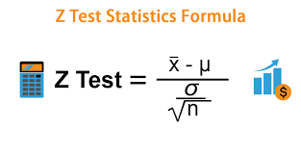
Step 2
Step 2 is to determine the appropriate statistical test and sampling distribution.
We are going to perform the Z-test.

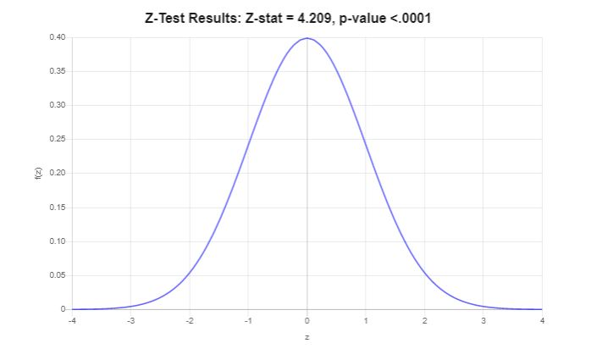
Step -3
Givan
Confidence level=98%
Significance level(α) =To get α subtract your confidence level from 1
α = 100-98=2%
α=0.02

Step 4
Based on the information provided, the significance level isα=0.02,
and the critical value for a right-tailed test is zc​=2.05.
The rejection region for this right-tailed test is R={z:z>2.054}

Step 5
Givan
x=463
n=891
Thren the sample propotion is given by
P^ = x/n
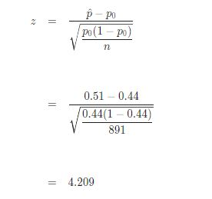
P^ = 463/891=0.51

Step 6
z-Test: one sample for proportion.
Z test value:-

Step 7
it is observed thatz= 4.209> zc​=2.054, it is then concluded that the null hypothesis is rejected.
Using the P-value approach
The p-value is p=0
&
p=0<0.02
it is concluded that the null hypothesis is rejected.

Step 8
It is concluded that the null hypothesis Ho is rejected. Therefore, there is not enough evidence to claim that the population proportion p is greater than 0.44, at the \α=0.02 significance level.

Que.4
One of the lenses in your supply is suspected to have a focal length f of 9.1cm rather than the 9cm claimed by the manufacturer. (a) Write an appropriate hypothesis test for this situation. (b) The focal length f is determined by using the thin lens formula, 1 s1 + 1 s2 = 1 f Here s1 is the distance from the lens to the object and s2 is the distance from the lens to the real image of the object. The distances s1 and s2 are each independently measured 25 times. The sample mean of the measurements is ¯ S1 = 26.6 centimeters and ¯ S2 = 13.8 centimeters, respectively. The standard deviation of the measurement is 0.1cm for s1 and 0.5cm for s2. Give an estimate ˆ f based on these measurements and the thin lens formula. (c) Use the delta method to give the standard deviation of ˆ f. (d) Use this to devise a z-test for the hypothesis and report a p-value for the test
Solution
Step 1
Hypothesis Testing
The data given that the distance from the lens to the object and s2 is the distance from the lens to the actual image of the object
Ho: µ1 = µ2
HA: µ1≠ µ2

Step 2
This corresponds to a two-tailed test, and a z-test for two means, with known population standard deviations will be used.
We are going to perform the Z-test.

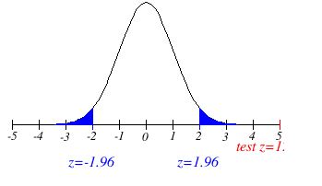
Step -3
Givan
Confidence level=98%
Significance level(α) =0.05

Step 4
Based on the information provided, the significance level isα=0.05,
critical value for a two-tailed test is zc​=1.96.
The rejection region for this two-tailed test is R={z:∣z∣>1.96}

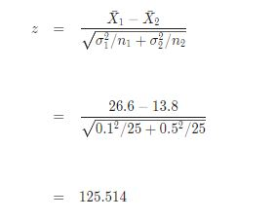
Step 5
Sample Mean 1 (Xˉ1​) = 26.6
Population Standard Deviation 1(σ1​) = 0.1
Sample Size 1(n1​) = 25
Sample Mean 2(Xˉ2​) = 13.8
Population Standard Deviation 2 (σ2​) = 0.5
Sample Size 2 (n2​) = 25
Significance Level (α)= 0.05

Step 6
The z-statistic is computed as follows:
Z test value:-

Step 7 | Hear Xˉ1=S1 & Xˉ2=S2
Decision about the null hypothesis
it is observed that∣z∣=125.514>zc​=1.96, it is then concluded that the null hypothesis is rejected.
Using the P-value approach:
The p-value is p=0
&
p=0<0.05
it is concluded that the null hypothesis is rejected.

Step 8
It is concluded that the null hypothesis Ho is rejected. Therefore, there is enough evidence to claim that the population mean μ1​ is different than μ2​, at the α=0.05 significance level.
Confidence Interval
The 95% confidence interval for μ1​−μ2​ is 12.6 <μ1​−μ2​<13.
Implication
From this test we can say that the distance from the lens to the object s1 and the distance from the lens to the actual image are not equal.

Que.5
The body temperature in degrees Fahrenheit of 52 randomly chosen healthy adults is measured with the following summary of the data: n = 52, ¯ x = 98.2846 s = 0.6824. (a) Are the necessary conditions for constructing a valid t-interval satisﬁed? Explain. (b) Find a 98% conﬁdence interval for the mean body temperature and explain its meaning. (c) Give a two-side hypothesis test for a mean body temperature of 98.6o Fahrenheit and use the information above to evaluate a test with signiﬁcance level α = 0.02. (d) Find the power of the test at the parameter value µ = 98.2 and indicate this value using the cutoﬀ value for the test and drawing the sample distribution for the null and alternative hypothesis.
Solution
Step 1
Hypothesis
Ho : mean of the body temperature is 98.6◦ | µ= 98.6
H1: the mean of the body temperature is not equal to 98.6◦ | µ ≠98.6

Step 2
Is to determine the appropriate statistical test and sampling distribution.
We are going to perform the T-test.
This corresponds to a two-tailed test, for a t-test for one mean, with unknown population standard deviation, using the sample standard deviation, will be used.

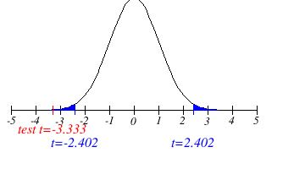
Step 3
Rejection Region
The given significance level is α = 0:02
Critical value for a two-tailed test is tc​=2.402.
T-Value (right-tailed): 2.107616
T-Value (two-tailed): +/- 2.401718
The rejection region for this two-tailed test is R={t:∣t∣>2.402}

Step -4
Given
n=52
df = n - 1
df=52-1=51

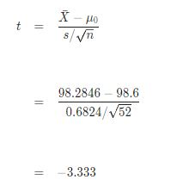
Step 5
The t-statistic is computed as follows:
n=52
¯ x = 98.2846
s = 0.6824.
df=51

Step 6
Decision about the null hypothesis
it is observed that |t| = 3.333 > tc​=2.402
it is then concluded that the null hypothesis is rejected.
Using the P-value approach:
The p-value is p = 0.0016
p=0.0016<0.02
it is concluded that the null hypothesis is rejected.

Step 8
Conclusion
It is concluded that the null hypothesis Ho is rejected. Therefore, there is enough evidence to claim that the population mean μ is different than 98.6, at the 0.02 significance level.
Implication
the body temperature will be some time greater then the 98.6 or l;ess then the 98.6

6c
Step 1
Hypothesis
Car drivers who call for regular gas and premiums for some time in the hope of improving gas mileage
H0: | µ1= µ2
HA: | µ1< µ2

Step -2
The statistical test to be used is two sample t test
The formula for the test statistic is:
Using T Test

Step:3
Significance value is not given hence, We will take 5% as the significance value i.e. The value of alpha is 0.05.


Step 4
Hence, it is found that the critical value for this left-tailed test is
tc​=−1.735
α=0.05
For df=17.892.
The rejection region for this left-tailed test is R={t:t<−1.735}.

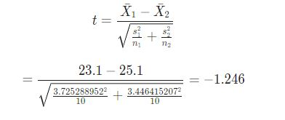
Step 5
Since it is assumed that the population variances are unequal, the t-statistic is computed
t = -1.246

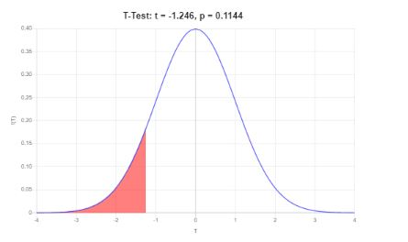
Step 6
Decision
it is observed that | Graphicaly
t=−1.246≥tc​=−1.735
it is then concluded that the null hypothesis is not rejected.

sing the P-value approach:
The p-value is p = 0.1144
p= 0.1144 ≥ 0.05
it is concluded that the null hypothes is not rejected.

Step 7
It is concluded that the null hypothesis Ho is not rejected.
Therefore, there is not enough evidence to claim that the population mean μ 1 is less then μ 2 at theα=.05 significance level.
The 95% confidence interval is −5.373<μ<1.373.

6d
Step 1
Hypothesis
Car drivers who call for regular gas and premiums for some time in the hope of improving gas mileage
H0: | µ1= µ2
HA: | µ1≠ µ2

Step -2
The statistical test to be used is two sample t test
The formula for the test statistic is:
Using T Test

Step:3
Significance value is not given hence, We will take 5% as the significance value i.e. The value of alpha is 0.05.

Step 4
Hence, it is found that the critical value for this left-tailed test is
tc​=2.102
α=0.05
For df=17.892.
The rejection region for this two-tailed test is R={t:t>2.102}.

Step 5
Since it is assumed that the population variances are unequal, the t-statistic is computed
t = -1.246

Step 6
Decision
it is observed that | Graphicaly
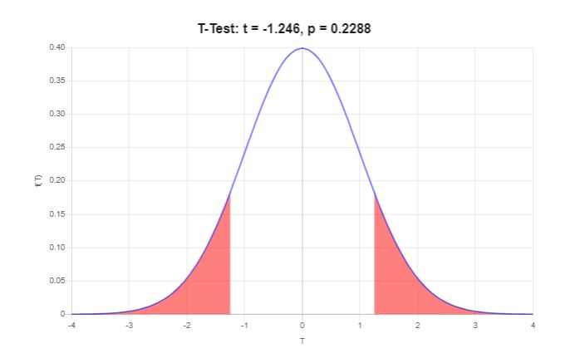
t=−1.246≤tc​=2.102
it is then concluded that the null hypothesis is not rejected.

sing the P-value approach:
The p-value is p = 0.2288
p= 0.2288 ≤ 0.05
it is concluded that the null hypothes is not rejected.

Step 7
It is concluded that the null hypothesis Ho is not rejected.
Therefore, there is not enough evidence to claim that the population mean μ 1 is Diffrent then μ 2 at theα=.05 significance level.
The 95% confidence interval is −5.373<μ<1.373.

Que7
In this problem, we will examine the sugar content of several national brands of cereals, here measured as a percentage of weight. (a) Give a summary of these two data sets. (b) Create side-by-side boxplots and interpret what you see. (c) Use R to create a 95% conﬁdence interval for the diﬀerence in mean sugar content and explain your result.
Solution
Givan Data |  | Summrized Data Set |  |  |  | Boxplots
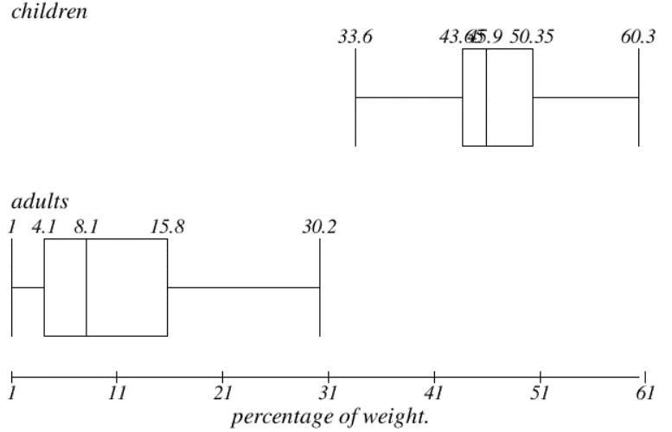
Children | Adult | children | value | Adult | Value
40.3 | 20
55 | 30.2 | Mean | 46.8 | Mean | 10.168965517
45.7 | 2.2 | Standard Error | 1.4724765311 | Standard Error | 1.3881988849
43.3 | 7.5 | Median | 45.9 | Median | 8.1
50.3 | 4.4 | Mode | 44 | Mode | 4.4
45.9 | 22.2 | Standard Deviation | 6.4183763956 | Standard Deviation | 7.4756797803
53.5 | 16.6 | Sample Variance | 41.195555556 | Sample Variance | 55.885788177
43 | 14.5 | Kurtosis | 0.27118091438 | Kurtosis | 0.16074118667
44.2 | 21.4 | Skewness | 0.12144365712 | Skewness | 0.86121726012
44 | 3.3 | Range | 26.7 | Range | 29.2
33.6 | 10 | Minimum | 33.6 | Minimum | 1
55.1 | 1 | Maximum | 60.3 | Maximum | 30.2
48.8 | 4.4 | Sum | 889.2 | Sum | 294.9
50.4 | 1.3 | Count | 19 | Count | 29
37.8 | 8.1 | Largest(1) | 60.3 | Largest(1) | 30.2
60.3 | 6.6 | Smallest(1) | 33.6 | Smallest(1) | 1
46.6 | 7.8 | Confidence Level(95.0%) | 3.0935583978 | Confidence Level(95.0%) | 2.8435965101
47.4 | 10.6
44 | 10.6
 | 16.2
 | 14.5
 | 4.1
 | 15.8
 | 4.1
 | 2.4
 | 3.5
 | 8.5
 | 4.7
 | 18.4

